Screens - TA1 - TC1

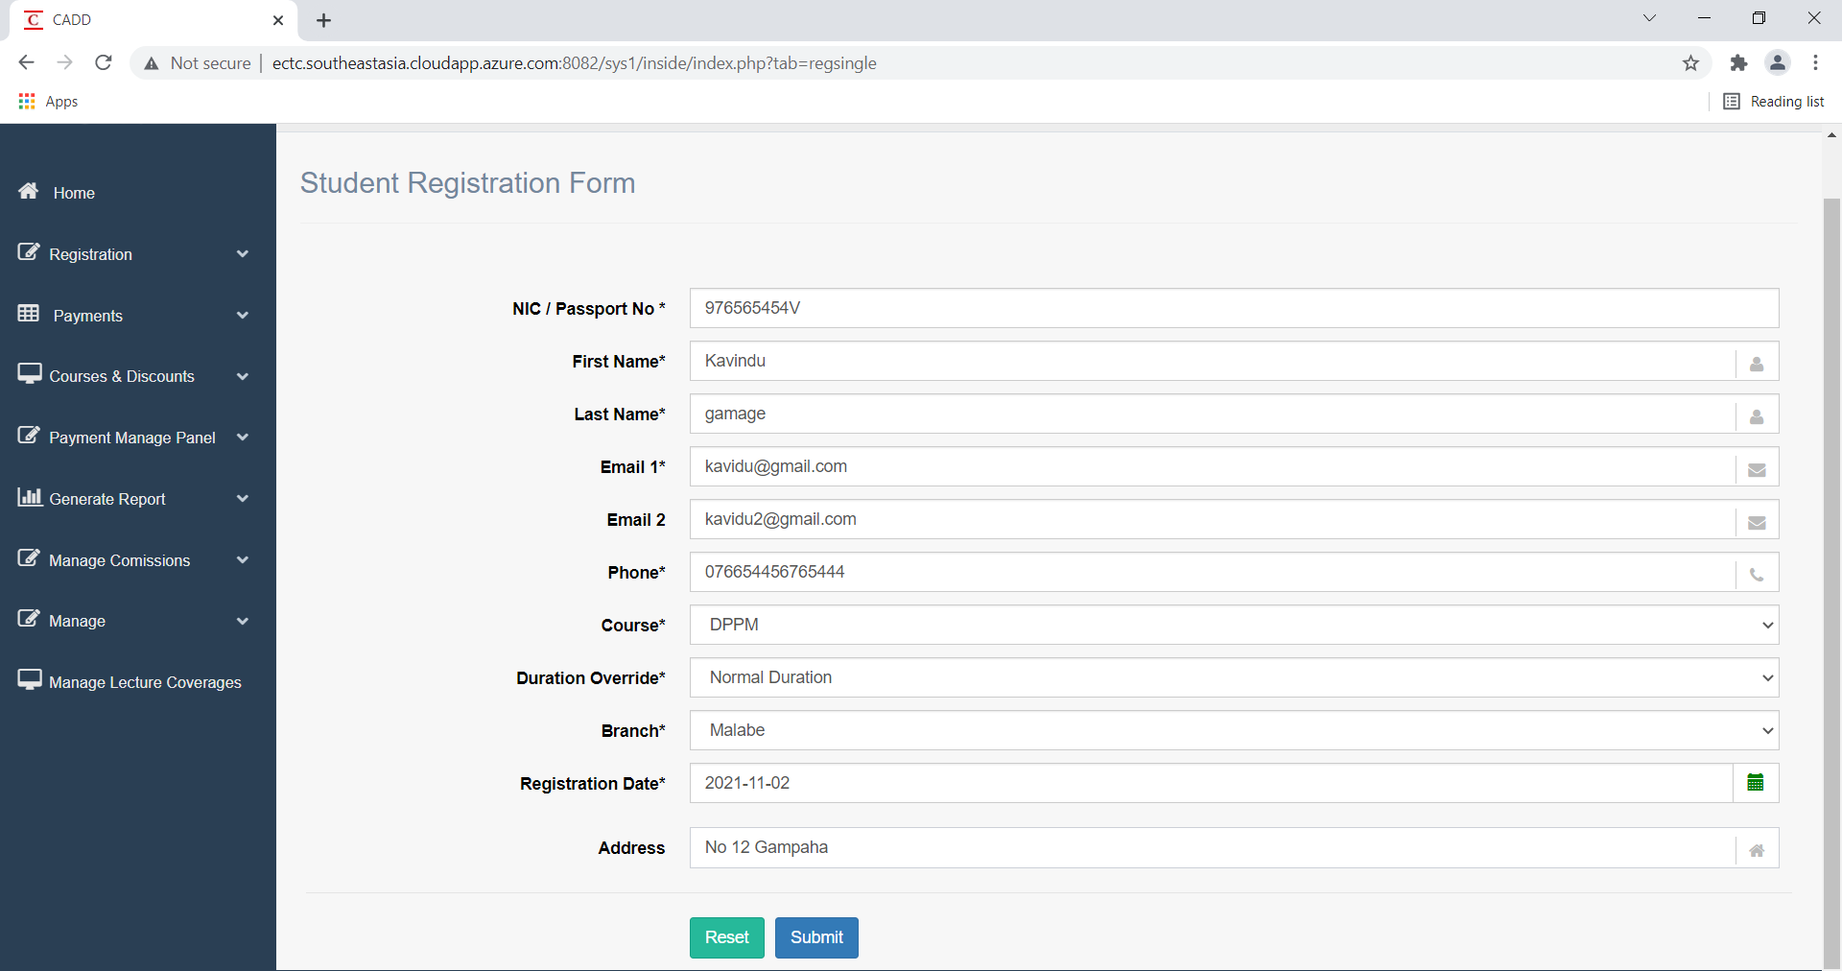

1. Student Registration - changing the length of the telephone number

Screens | Test Results
Test case 1
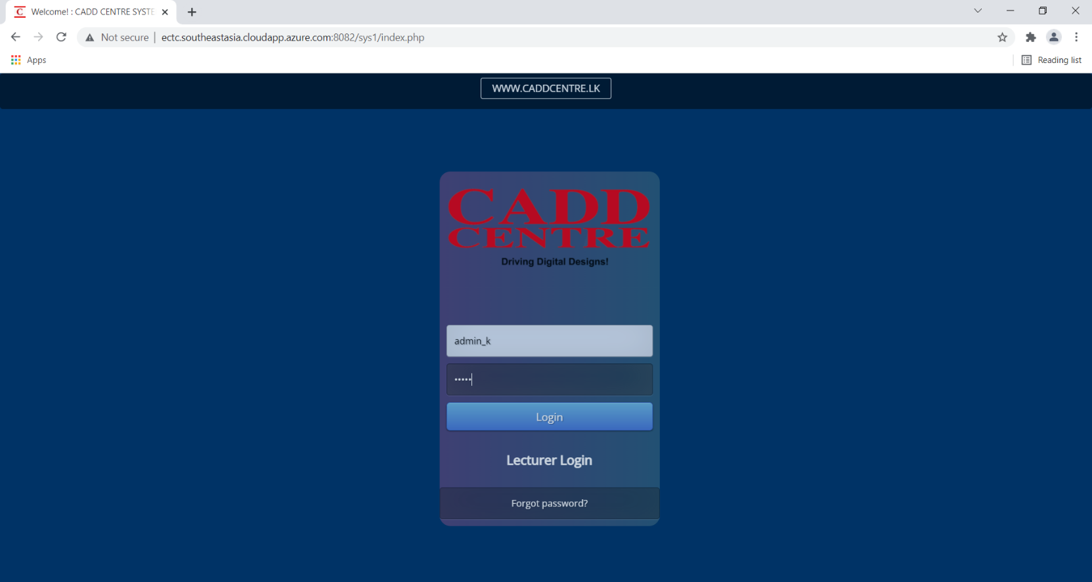 | Pass

Screens - TA1 - TC2
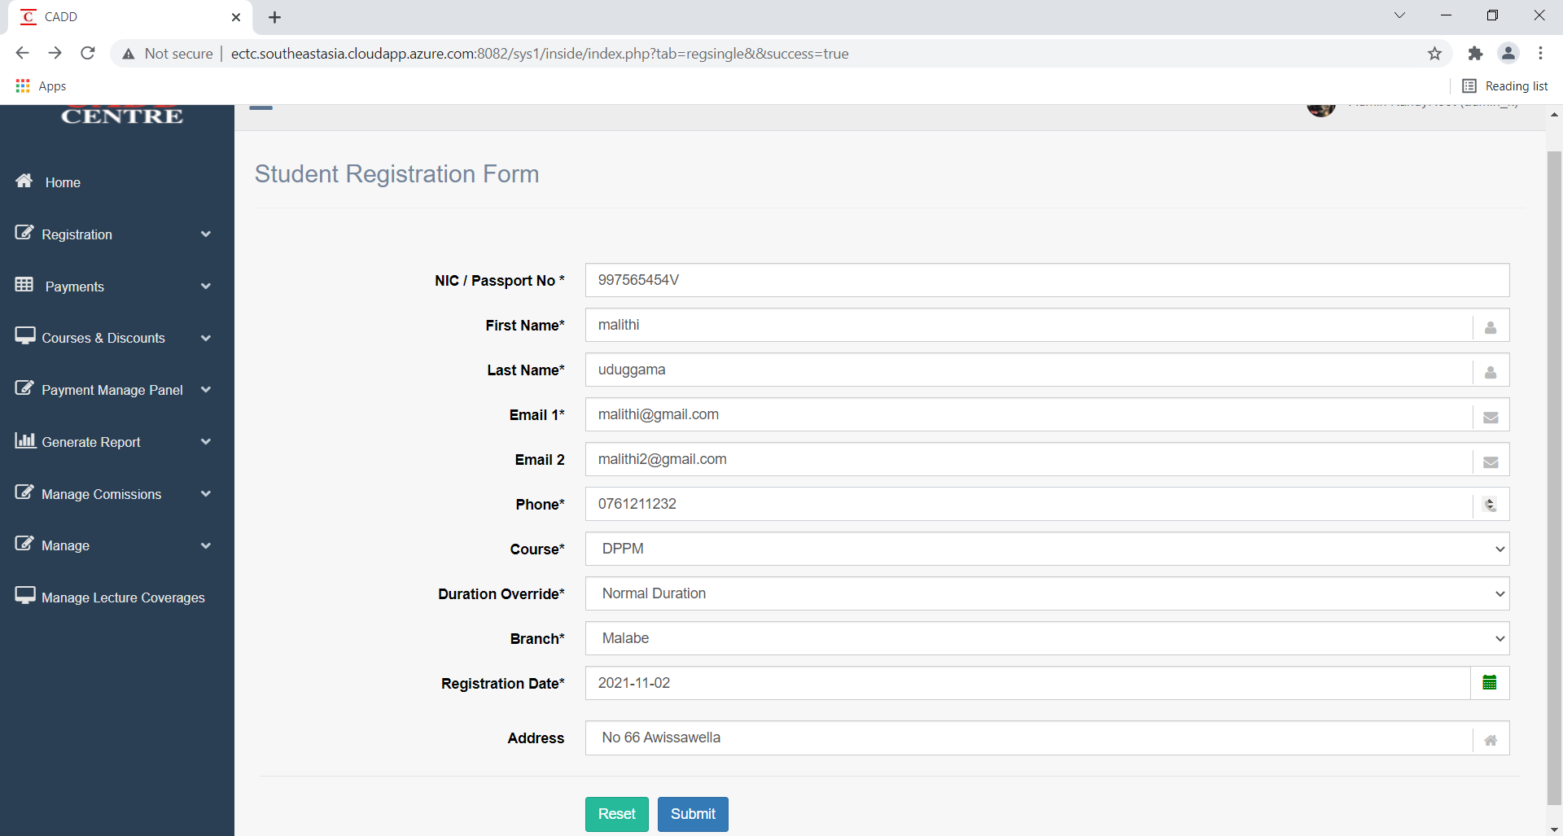
1. Student Registration - changing the length of the telephone number

Screens | Test Results
Test case 2
 | Pass

Screens - TA1 - TC3
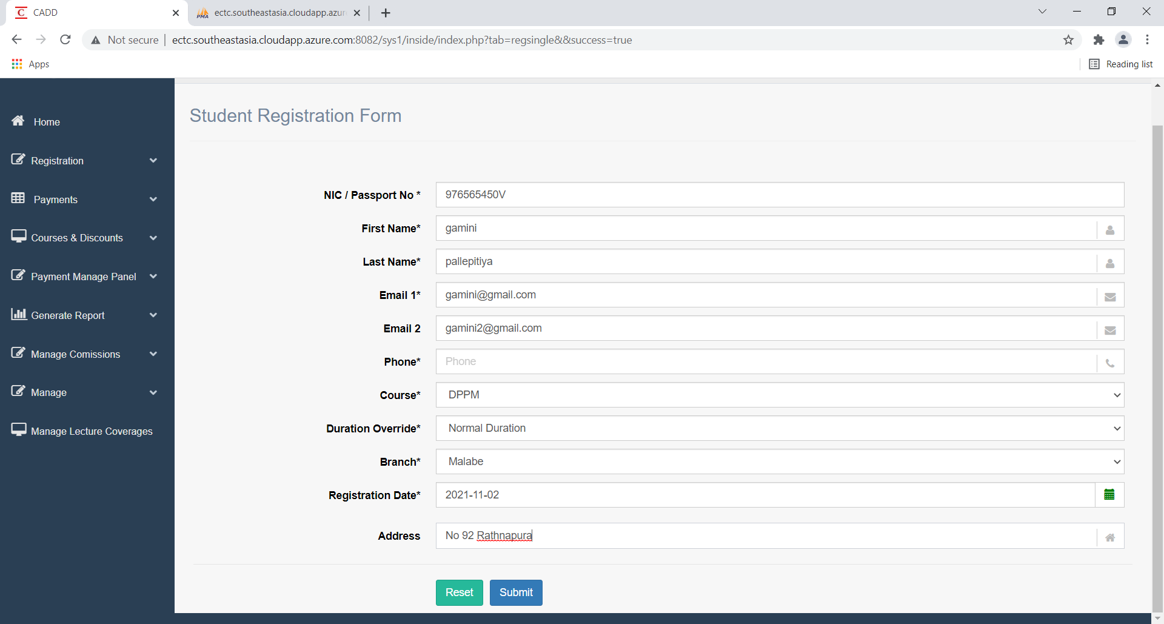

1. Student Registration - changing the length of the telephone number

Screens | Test Results
Test case 3
 | Pass

